game_plays
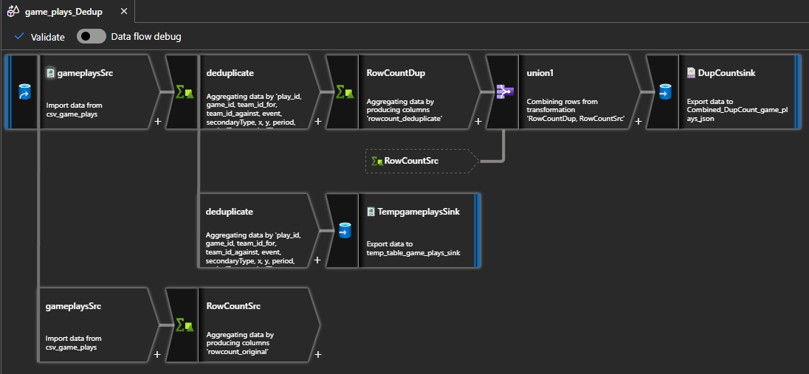
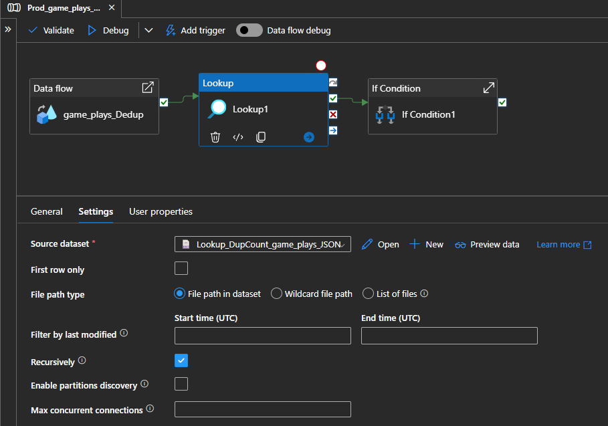
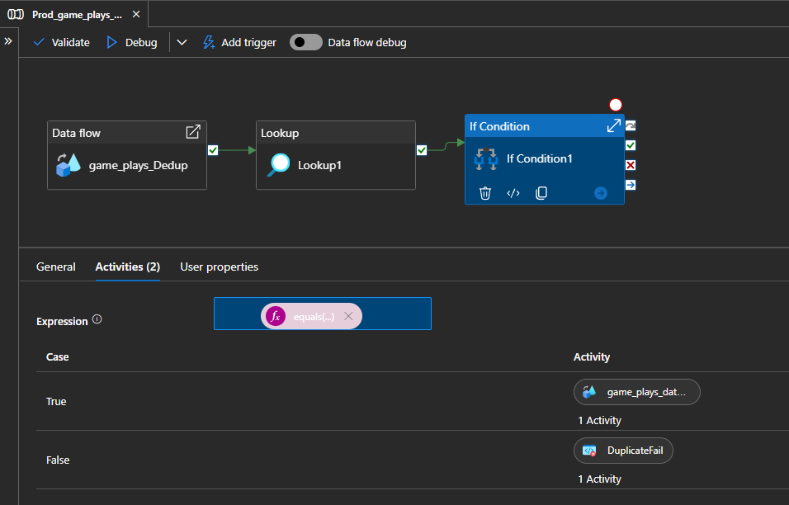
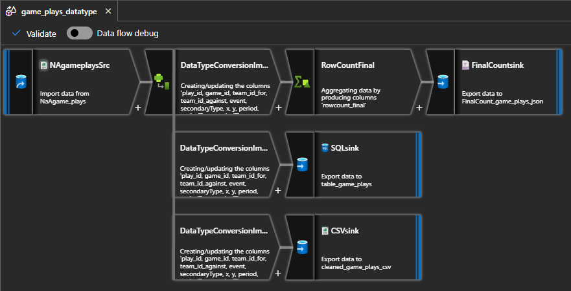
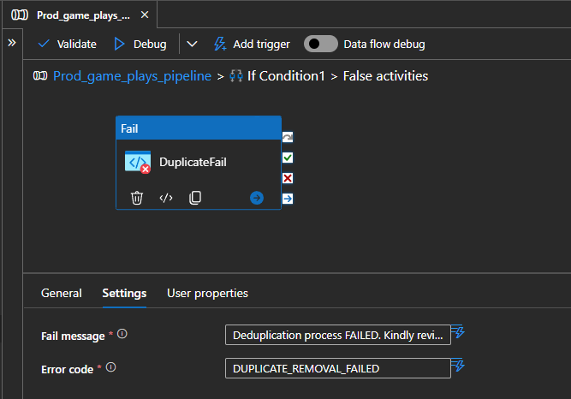
 |  |  |  | File path
DataFlow | Activity Name | Activity Type | Dataset | File | Directory | File name | Remarks
game_plays_Dedup | gameplaysSrc | Copy Source | csv_game_plays | raw |  | game_plays.csv
game_plays_Dedup | TempgameplaysSink | Sink | temp_table_game_plays_sink | processed | dataset_game_plays/DUP_cleaned | dedup_game_plays.csv | Output to single file; Partition option: Single Partition
game_plays_Dedup | DupCountsink | Sink | Combined_DupCount_game_plays_json | processed | dataset_game_plays/RowCount | DupCount_JSON.json | Output to single file; Partition option: Single Partition
game_plays_datatype | NAgameplaysSrc | Copy Source | NaAgame_plays | processed | dataset_game_plays/DUP_cleaned | dedup_game_plays.csv | Output to single file; Partition option: Single Partition
game_plays_datatype | CSVsink | Sink | cleaned_game_plays_csv | cleaned | dataset_game_plays | cleaned_game_plays.csv | Output to single file; Partition option: Single Partition
game_plays_datatype | SQLsink | Sink | table_game_plays |  |  |  | Table : dbo.game_plays
game_plays_datatype | FinalCountsink | Sink | FinalCount_game_plays_json | cleaned | dataset_game_plays/RowCountFinal | FinalCount_JSON.json | Output to single file; Partition option: Single Partition

 |  |  | Group by |  |  | Aggregate
 |  | Activity Type | Column |  | Name as | Column | Expression
game_plays_Dedup | RowCountSrc | Aggregate |  |  |  | rowcount_original | count()
game_plays_Dedup | RowCountDup | Aggregate |  |  |  | rowcount_deduplicate | count(1)
game_plays_Dedup | Deduplicate | Aggregate | play_id,game_id,team_id_for,team_id_against,event,secondaryType,x,y,period,periodType,periodTime,periodTimeRemaining,dateTime,goals_away,goals_home,description,st_x |  | As per Column | st_y | first(st_y)
game_plays_datatype | RowCountFinal | Aggregate |  |  |  | rowcount_final | count()

 |  |  | Union with
game_plays_Dedup | Union1 | Union | RowCountSrc

 |  |  | Column | Expression
game_plays_datatype | DataTypeConversionImpute | Derived Column | play_id | toString(play_id)
 |  |  | game_id | toInteger(game_id)
 |  |  | team_id_for | iif(isNull(team_id_for) || team_id_for == 'NA', 9999, toInteger(team_id_for))
 |  |  | team_id_against | iif(isNull(team_id_against) || team_id_against == 'NA', 999, toInteger(team_id_against))
 |  |  | event | toString(event)
 |  |  | secondaryType* | toString(secondaryType)
 |  |  | x | iif(isNull(x) || x == '' || x == 'NA', 9999, toInteger(x))
 |  |  | y | iif(isNull(y) || y == '' || y == 'NA', 9999, toInteger(y))
 |  |  | period | toInteger(period)
 |  |  | periodType | toString(periodType)
 |  |  | periodTime | toInteger(periodTime)
 |  |  | periodTimeRemaining | iif(isNull(periodTimeRemaining) || periodTimeRemaining == '' || periodTimeRemaining == 'NA', 9999, toInteger(periodTimeRemaining))
 |  |  | dateTime | toDate(dateTime)
 |  |  | goals_away | toInteger(goals_away)
 |  |  | goals_home | toInteger(goals_home)
 |  |  | description | toString(description)
 |  |  | st_x | iif(isNull(st_x) || st_x == '' || st_x == 'NA', 9999, toInteger(st_x))
 |  |  | st_y | iif(isNull(st_y) || st_y == '' || st_y == 'NA', 9999, toInteger(st_y))

 |  |  |  | File path
 |  |  | Dataset | File | Directory | File name | Remarks
Actual_game_plays_pipeline | Lookup1 | Lookup | Lookup_DupCount_game_plays_JSON | processed | dataset_game_plays/RowCount | DupCount_JSON.json | *Uncheck first rows only. File path in dataset

 |  |  | Expression | Case | Activity
Actual_game_plays_pipeline | if Condition1 | if Condition | @equals(sub(activity('Lookup1').output.value[1].rowcount_original, activity('Lookup1').output.value[0].rowcount_deduplicate),2570) | TRUE | game_plays_datatype
 |  |  |  | FALSE | DuplicateFail

 |  |  | Fail message | Error code
Actual_game_plays_pipeline | DuplicateFail | Fail | Deduplication process FAILED. Kindly review the pipeline inputs. | DUPLICATE_REMOVAL_FAILED

game_teams_stats
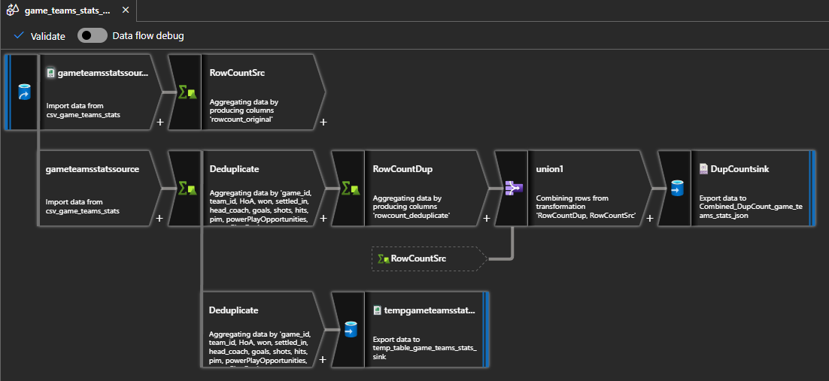
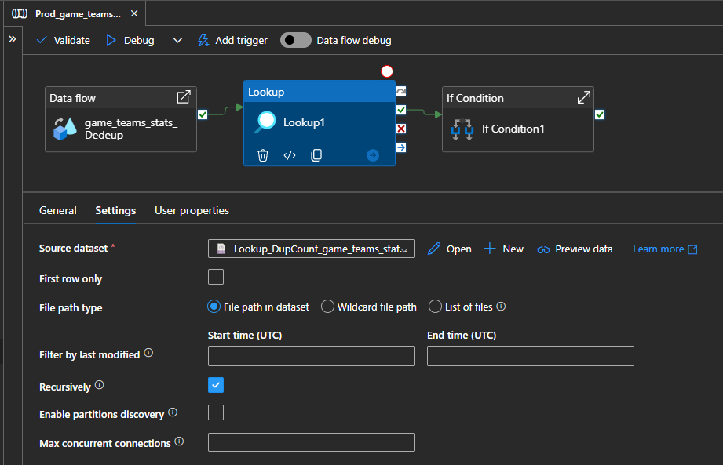
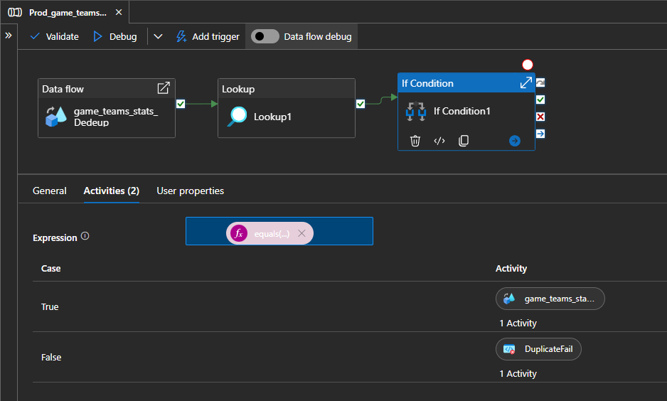
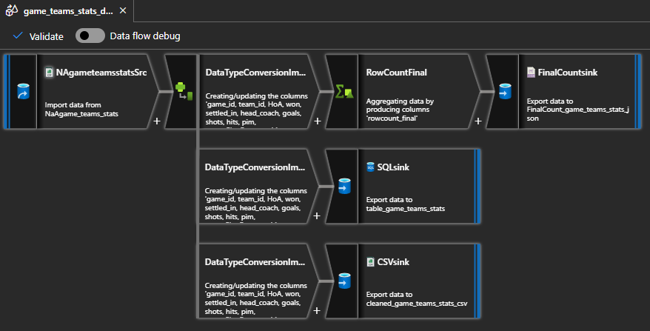
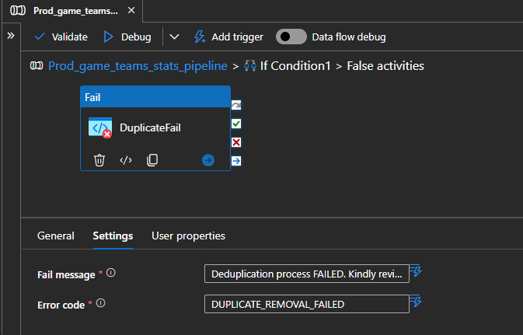
 |  |  |  | File path
DataFlow | Activity Name | Activity Type | Dataset | File | Directory | File name | Remarks
game_teams_stats_Dedup | gameteamsstatsSrc | Copy Source | csv_game_teams_stats | raw |  | game_teams_stats.csv
game_teams_stats_Dedup | Tempgame_teams_statsSink | Sink | temp_table_game_teams_stats_sink | processed | dataset_game_teams_stats/DUP_cleaned | dedup_game_teams_stats.csv | Output to single file; Partition option: Single Partition
game_teams_stats_Dedup | DupCountsink | Sink | Combined_DupCount_game_teams_stats_json | processed | dataset_game_teams_stats/RowCount | DupCount_JSON.json | Output to single file; Partition option: Single Partition
game_teams_stats_datatype | NAgameteamsstatsSrc | Copy Source | NaAgame_teams_stats | processed | dataset_game_teams_stats/DUP_cleaned | dedup_game_teams_stats.csv | Output to single file; Partition option: Single Partition
game_teams_stats_datatype | CSVsink | Sink | cleaned_game_teams_stats_csv | cleaned | dataset_game_teams_stats | cleaned_game_teams_stats.csv | Output to single file; Partition option: Single Partition
game_teams_stats_datatype | SQLsink | Sink | table_game_teams_stats |  |  |  | Table : dbo.game_teams_stats
game_teams_stats_datatype | FinalCountsink | Sink | FinalCount_game_teams_stats_json | cleaned | dataset_game_teams_stats/RowCountFinal | FinalCount_JSON.json | Output to single file; Partition option: Single Partition

 |  |  | Group by |  |  | Aggregate
 |  | Activity Type | Column |  | Name as | Column | Expression
game_teams_stats_Dedup | RowCountSrc | Aggregate |  |  |  | rowcount_original | count()
game_teams_stats_Dedup | RowCountDup | Aggregate |  |  |  | rowcount_deduplicate | count(1)
game_teams_stats_Dedup | Deduplicate | Aggregate | game_id,team_id,HoA,won,settled_in,head_coach,goals,shots,hits,pim,powerPlayOpportunities,powerPlayGoals,faceOffWinPercentage,giveaways,takeaways,blocked |  | As per Column | startRinkSide | first(startRinkSide)
game_teams_stats_datatype | RowCountFinal | Aggregate |  |  |  | rowcount_final | count()

 |  |  | Union with
game_teams_stats_Dedup | Union1 | Union | RowCountSrc

 |  |  | Column | Expression
game_teams_stats_datatype | DataTypeConversionImpute | Derived Column | game_id | toInteger(game_id)
 |  |  | team_id | toInteger(team_id)
 |  |  | HoA
 |  |  | won | toBoolean(won)
 |  |  | settled_in
 |  |  | head_coach | iif(isNull(head_coach), '9999', head_coach)
 |  |  | goals | iif(isNull(toInteger(goals)), 9999, toInteger(goals))
 |  |  | shots | toInteger(shots)
 |  |  | hits | iif(isNull(toInteger(hits)), 9999, toInteger(hits))
 |  |  | pim | iif(isNull(toInteger(pim)), 9999, toInteger(pim))
 |  |  | powerPlayOpportunities | iif(isNull(toInteger(powerPlayOpportunities)), 9999, toInteger(powerPlayOpportunities))
 |  |  | powerPlayGoals | iif(isNull(toInteger(powerPlayGoals)), 9999, toInteger(powerPlayGoals))
 |  |  | faceOffWinPercentage | iif(isNull(toInteger(faceOffWinPercentage)), 9999, toInteger(faceOffWinPercentage))
 |  |  | giveaways | iif(isNull(toInteger(giveaways)), 9999, toInteger(giveaways))
 |  |  | takeaways | iif(isNull(toInteger(takeaways)), 9999, toInteger(takeaways))
 |  |  | blocked | iif(isNull(toInteger(blocked)), 9999, toInteger(blocked))
 |  |  | startRinkSide | iif(isNull(startRinkSide), '9999', startRinkSide)

 |  |  |  | File path
 |  |  | Dataset | File | Directory | File name | Remarks
Actual_game_teams_stats_pipeline | Lookup1 | Lookup | Lookup_DupCount_game_teams_stats_JSON | processed | dataset_game_teams_stats/RowCount | DupCount_JSON.json | *Uncheck first rows only. File path in dataset

 |  |  | Expression | Case | Activity
Actual_game_teams_stats_pipeline | if Condition1 | if Condition | @equals(sub(activity('Lookup1').output.value[1].rowcount_original, activity('Lookup1').output.value[0].rowcount_deduplicate),2570) | TRUE | game_teams_stats_datatype
 |  |  |  | FALSE | DuplicateFail

 |  |  | Fail message | Error code
Actual_game_teams_stats_pipeline | DuplicateFail | Fail | Deduplication process FAILED. Kindly review the pipeline inputs. | DUPLICATE_REMOVAL_FAILED

game_goalie_stats

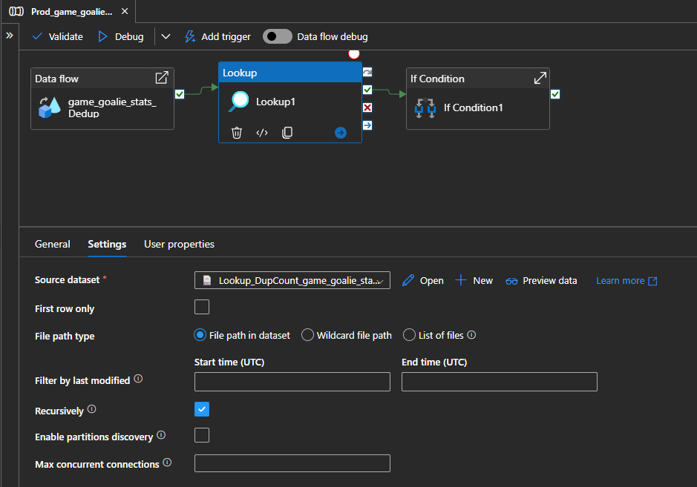
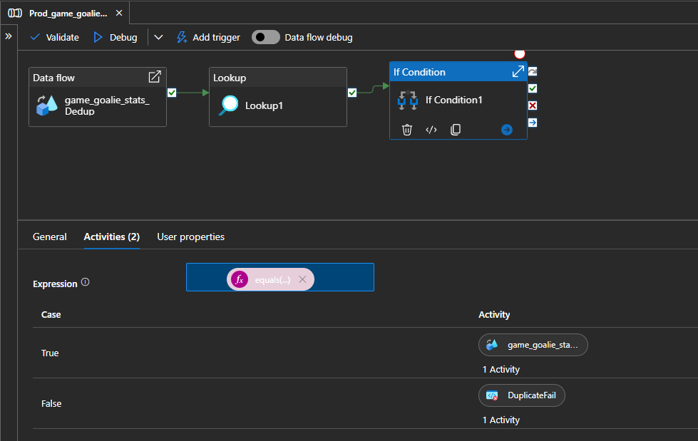
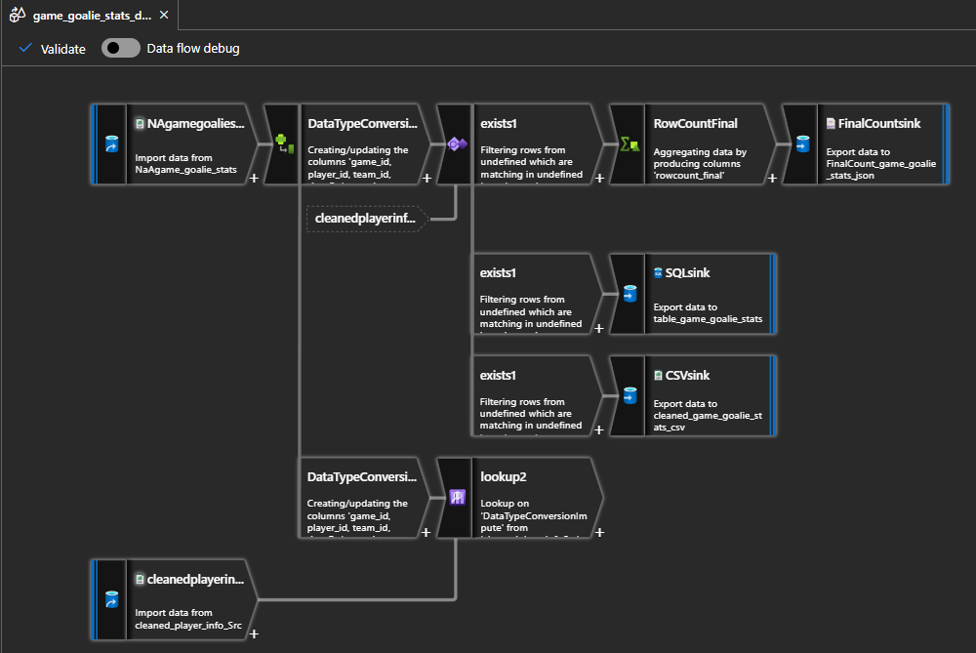
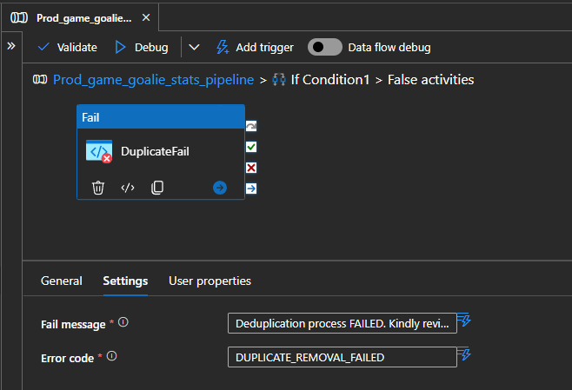
 |  |  |  | File path
DataFlow | Activity Name | Activity Type | Dataset | File | Directory | File name | Remarks
game_goalie_stats_Dedup | gamegoaliestatsSrc | Copy Source | csv_game_goalie_stats | raw |  | game_goalie_stats.csv
game_goalie_stats_Dedup | TempgamegoaliestatsSink | Sink | temp_table_game_goalie_stats_sink | processed | dataset_game_goalie_stats/DUP_cleaned | dedup_game_goalie_stats.csv | Output to single file; Partition option: Single Partition
game_goalie_stats_Dedup | DupCountsink | Sink | Combined_DupCount_game_goalie_stats_json | processed | dataset_game_goalie_stats/RowCount | DupCount_JSON.json | Output to single file; Partition option: Single Partition
game_goalie_stats_datatype | NAgamegoaliestatsSrc | Copy Source | NaAgame_goalie_stats | processed | dataset_game_goalie_stats/DUP_cleaned | dedup_game_goalie_stats.csv | Output to single file; Partition option: Single Partition
game_goalie_stats_datatype | CSVsink | Sink | cleaned_game_goalie_stats_csv | cleaned | dataset_game_goalie_stats | cleaned_game_goalie_stats.csv | Output to single file; Partition option: Single Partition
game_goalie_stats_datatype | SQLsink | Sink | table_game_goalie_stats |  |  |  | Table : dbo.game_goalie_stats
game_goalie_stats_datatype | FinalCountsink | Sink | FinalCount_game_goalie_stats_json | cleaned | dataset_game_goalie_stats/RowCountFinal | FinalCount_JSON.json | Output to single file; Partition option: Single Partition
game_goalie_stats_datatype | cleanedplayerinfoSrc | Sink | cleaned_player_info_Src | cleaned | dataset_player_info | cleaned_player_info.csv | dataset_player_info dataflow must be completed first

 |  |  | Group by |  |  | Aggregate
 |  | Activity Type | Column |  | Name as | Column | Expression
game_goalie_stats_Dedup | RowCountSrc | Aggregate |  |  |  | rowcount_original | count()
game_goalie_stats_Dedup | RowCountDup | Aggregate |  |  |  | rowcount_deduplicate | count(1)
game_goalie_stats_Dedup | Deduplicate | Aggregate | game_id,player_id,team_id,timeOnIce,assists,goals,pim,shots,saves,powerPlaySaves,shortHandedSaves,evenSaves,shortHandedShotsAgainst,evenShotsAgainst,powerPlayShotsAgainst,decision,savePercentage,powerPlaySavePercentage |  | As per Column | evenStrengthSavePercentage | first(evenStrengthSavePercentage)
game_goalie_stats_datatype | RowCountFinal | Aggregate |  |  |  | rowcount_final | count()

 |  |  | Union with
game_goalie_stats_Dedup | Union1 | Union | RowCountSrc

 |  |  | Column | Expression
game_goalie_stats_datatype | DataTypeConversionImpute | Derived Column | game_id | toInteger(game_id)
 |  |  | player_id | toInteger(player_id)
 |  |  | team_id | toInteger(team_id)
 |  |  | timeOnIce | toInteger(timeOnIce)
 |  |  | assists | toInteger(assists)
 |  |  | goals | toInteger(goals)
 |  |  | pim | toInteger(pim)
 |  |  | shots | toInteger(shots)
 |  |  | saves | toInteger(saves)
 |  |  | powerPlaySaves | toInteger(powerPlaySaves)
 |  |  | shortHandedSaves | toInteger(shortHandedSaves)
 |  |  | evenSaves | toInteger(evenSaves)
 |  |  | shortHandedShotsAgainst | toInteger(shortHandedShotsAgainst)
 |  |  | evenShotsAgainst | toInteger(evenShotsAgainst)
 |  |  | powerPlayShotsAgainst | toInteger(powerPlayShotsAgainst)
 |  |  | decision | iif(isNull(decision) || trim(decision) == '', 'NA', decision)
 |  |  | savePercentage | iif(isNull(goals) || trim(savePercentage) == 'NA', 9999.0, toFloat(savePercentage))
 |  |  | powerPlaySavePercentage | iif(isNull(goals) || trim(powerPlaySavePercentage) == 'NA', 9999.0, toFloat(powerPlaySavePercentage))
 |  |  | evenStrengthSavePercentage | iif(isNull(goals) || trim(evenStrengthSavePercentage) == 'NA', 9999.0, toFloat(evenStrengthSavePercentage))

 |  |  | Left stream | Right stream | Exist type | Exist condition
game_goalie_stats_datatype | exists1 | exists1 | DataTypeConversionImpute | cleanedplayerinfoSrc | Exists | DataTypeConversionImpute@player_id == cleanedplayerinfoSrc@player_id

 |  |  |  | File path
 |  |  | Dataset | File | Directory | File name | Remarks
Actual_game_goalie_stats_pipeline | Lookup1 | Lookup | Lookup_DupCount_game_goalie_stats_JSON | processed | dataset_game_goalie_stats/RowCount | DupCount_JSON.json | *Uncheck first rows only. File path in dataset

 |  |  |  | Primary stream | Lookup stream | Match on | Lookup conditions
game_goalie_stats_datatype | Lookup2 | Lookup |  | DataTypeConversionImpute | cleanedplayerinfoSrc | Any row | player_id == player_id

 |  |  | Expression | Case | Activity
Actual_game_goalie_stats_pipeline | if Condition1 | if Condition | @equals(sub(activity('Lookup1').output.value[1].rowcount_original, activity('Lookup1').output.value[0].rowcount_deduplicate),5493) | TRUE | game_goalie_stats_datatype
 |  |  |  | FALSE | DuplicateFail

 |  |  | Fail message | Error code
Actual_game_goalie_stats_pipeline | DuplicateFail | Fail | Deduplication process FAILED. Kindly review the pipeline inputs. | DUPLICATE_REMOVAL_FAILED

game_skater_stats
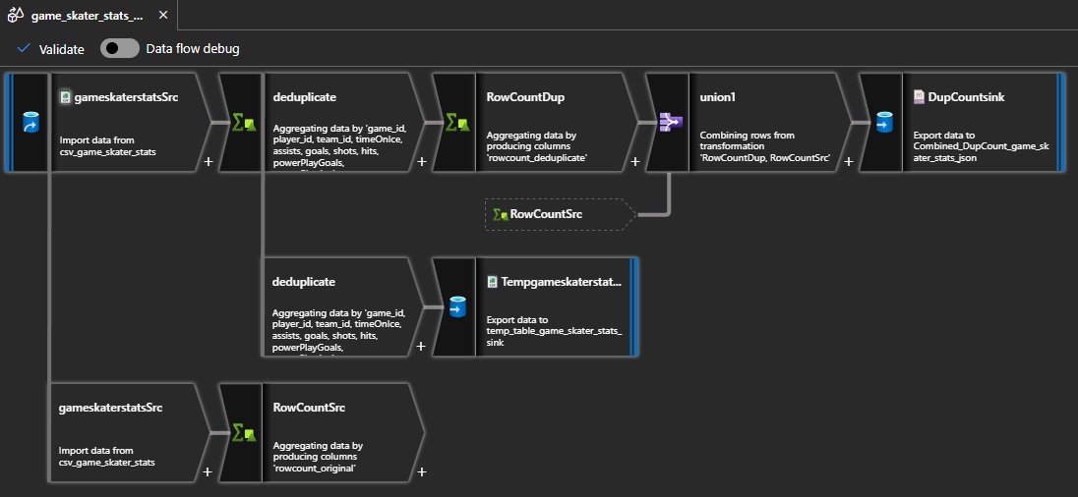
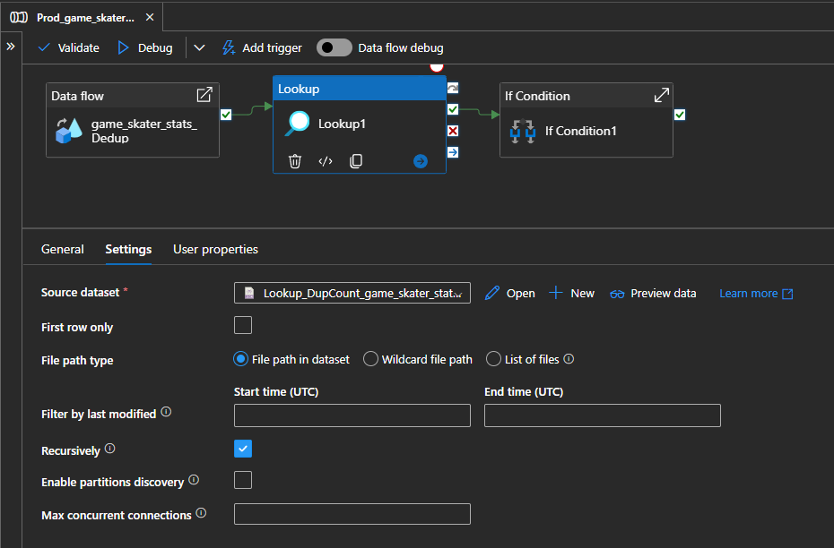
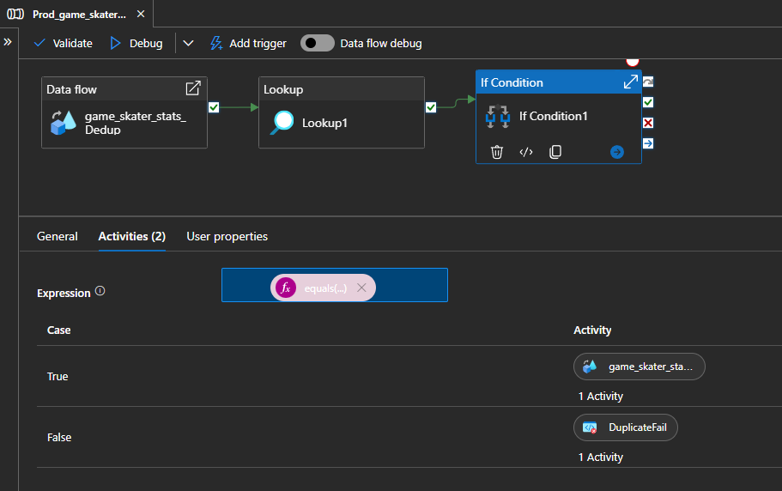
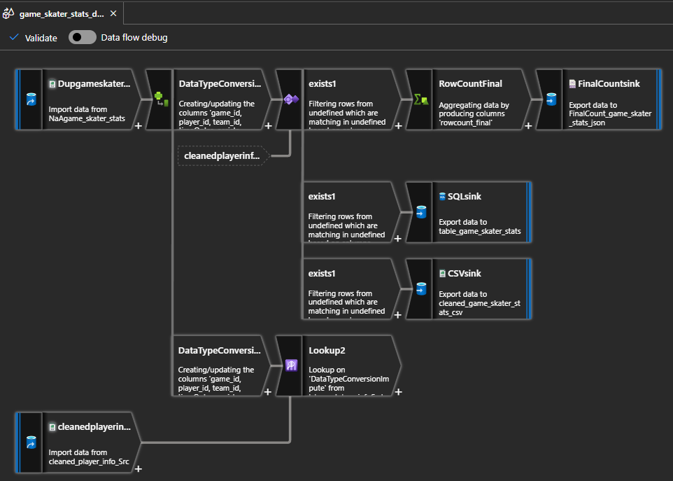
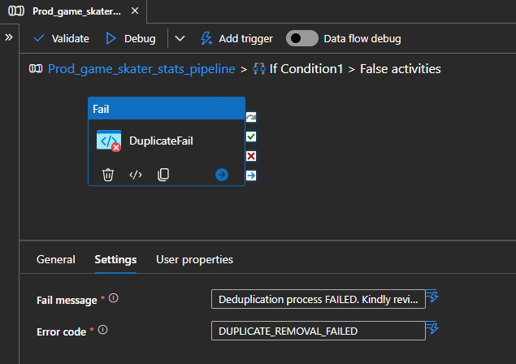
 |  |  |  | File path
DataFlow | Activity Name | Activity Type | Dataset | File | Directory | File name | Remarks
game_skater_stats_Dedup | gameskaterstatsSrc | Copy Source | csv_game_skater_stats | raw |  | game_skater_stats.csv
game_skater_stats_Dedup | TempgameskaterstatsSink | Sink | temp_table_game_skater_stats_sink | processed | dataset_game_skater_stats/DUP_cleaned | dedup_game_skater_stats.csv | Output to single file; Partition option: Single Partition
game_skater_stats_Dedup | DupCountsink | Sink | Combined_DupCount_game_skater_stats_json | processed | dataset_game_skater_stats/RowCount | DupCount_JSON.json | Output to single file; Partition option: Single Partition
game_skater_stats_datatype | NAgameskaterstatsSrc | Copy Source | NaAgame_skater_stats | processed | dataset_game_skater_stats/DUP_cleaned | dedup_game_skater_stats.csv | Output to single file; Partition option: Single Partition
game_skater_stats_datatype | CSVsink | Sink | cleaned_game_skater_stats_csv | cleaned | dataset_game_skater_stats | cleaned_game_skater_stats.csv | Output to single file; Partition option: Single Partition
game_skater_stats_datatype | SQLsink | Sink | table_game_skater_stats |  |  |  | Table : dbo.game_skater_stats
game_skater_stats_datatype | FinalCountsink | Sink | FinalCount_game_skater_stats_json | cleaned | dataset_game_skater_stats/RowCountFinal | FinalCount_JSON.json | Output to single file; Partition option: Single Partition
game_skater_stats_datatype | cleanedplayerinfoSrc | Sink | cleaned_player_info_Src | cleaned | dataset_player_info | cleaned_player_info.csv | dataset_player_info dataflow must be completed first

 |  |  | Group by |  |  | Aggregate
 |  | Activity Type | Column |  | Name as | Column | Expression
game_skater_stats_Dedup | RowCountSrc | Aggregate |  |  |  | rowcount_original | count()
game_skater_stats_Dedup | RowCountDup | Aggregate |  |  |  | rowcount_deduplicate | count(1)
game_skater_stats_Dedup | Deduplicate | Aggregate | game_id,player_id,team_id,timeOnIce,assists,goals,shots,hits,powerPlayGoals,powerPlayAssists,penaltyMinutes,faceOffWins,faceoffTaken,takeaways,giveaways,shortHandedGoals,shortHandedAssists,blocked,plusMinus,evenTimeOnIce,shortHandedTimeOnIce |  | As per Column | powerPlayTimeOnIce | first(powerPlayTimeOnIce)
game_skater_stats_datatype | RowCountFinal | Aggregate |  |  |  | rowcount_final | count()

 |  |  | Union with
game_skater_stats_Dedup | Union1 | Union | RowCountSrc

 |  |  | Column | Expression
game_skater_stats_datatype | DataTypeConversionImpute | Derived Column | game_id | toInteger(game_id)
 |  |  | player_id | toInteger(player_id)
 |  |  | team_id | toInteger(team_id)
 |  |  | timeOnIce | toInteger(timeOnIce)
 |  |  | assists | toInteger(assists)
 |  |  | goals | toInteger(goals)
 |  |  | shots | toInteger(shots)
 |  |  | hits | iif(isNull(toInteger(hits)), 9999, toInteger(hits))
 |  |  | powerPlayGoals | toInteger(powerPlayGoals)
 |  |  | powerPlayAssists | toInteger(powerPlayAssists)
 |  |  | penaltyMinutes | toInteger(penaltyMinutes)
 |  |  | faceOffWins | toInteger(faceOffWins)
 |  |  | faceoffTaken | toInteger(faceoffTaken)
 |  |  | takeaways | iif(isNull(toInteger(takeaways)), 9999, toInteger(takeaways))
 |  |  | giveaways | iif(isNull(toInteger(giveaways)), 9999, toInteger(giveaways))
 |  |  | shortHandedGoals | toInteger(shortHandedGoals)
 |  |  | shortHandedAssists | toInteger(shortHandedAssists)
 |  |  | blocked | iif(isNull(toInteger(blocked)), 9999, toInteger(blocked))
 |  |  | plusMinus | toInteger(plusMinus)
 |  |  | evenTimeOnIce | toInteger(evenTimeOnIce)
 |  |  | shortHandedTimeOnIce | toInteger(shortHandedTimeOnIce)
 |  |  | powerPlayTimeOnIce | toInteger(powerPlayTimeOnIce)

 |  |  | Left stream | Right stream | Exist type | Exist condition
game_skater_stats_datatype | exists1 | exists1 | DataTypeConversionImpute | cleanedplayerinfoSrc | Exists | DataTypeConversionImpute@player_id == cleanedplayerinfoSrc@player_id

 |  |  |  | File path
 |  |  | Dataset | File | Directory | File name | Remarks
Actual_game_skater_stats_pipeline | Lookup1 | Lookup | Lookup_DupCount_game_skater_stats_JSON | processed | dataset_game_skater_stats/RowCount | DupCount_JSON.json | *Uncheck first rows only. File path in dataset

 |  |  |  | Primary stream | Lookup stream | Match on | Lookup conditions
game_skater_stats_datatype | Lookup2 | Lookup |  | DataTypeConversionImpute | cleanedplayerinfoSrc | Any row | player_id == player_id

 |  |  | Expression | Case | Activity
Actual_game_skater_stats_pipeline | if Condition1 | if Condition | @equals(sub(activity('Lookup1').output.value[1].rowcount_original, activity('Lookup1').output.value[0].rowcount_deduplicate),92426) | TRUE | game_skater_stats_datatype
 |  |  |  | FALSE | DuplicateFail

 |  |  | Fail message | Error code
Actual_game_skater_stats_pipeline | DuplicateFail | Fail | Deduplication process FAILED. Kindly review the pipeline inputs. | DUPLICATE_REMOVAL_FAILED

player_info
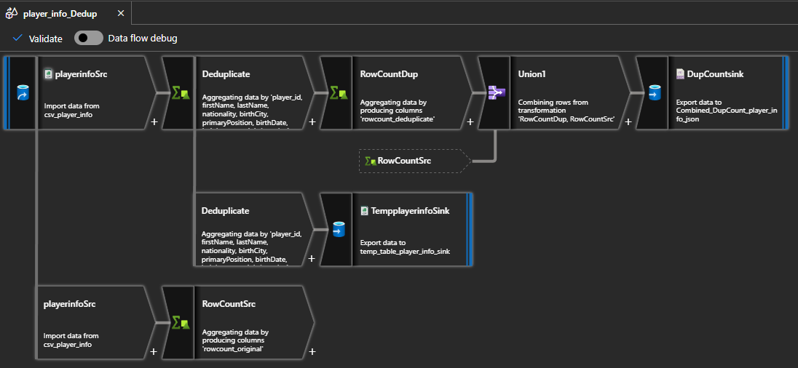
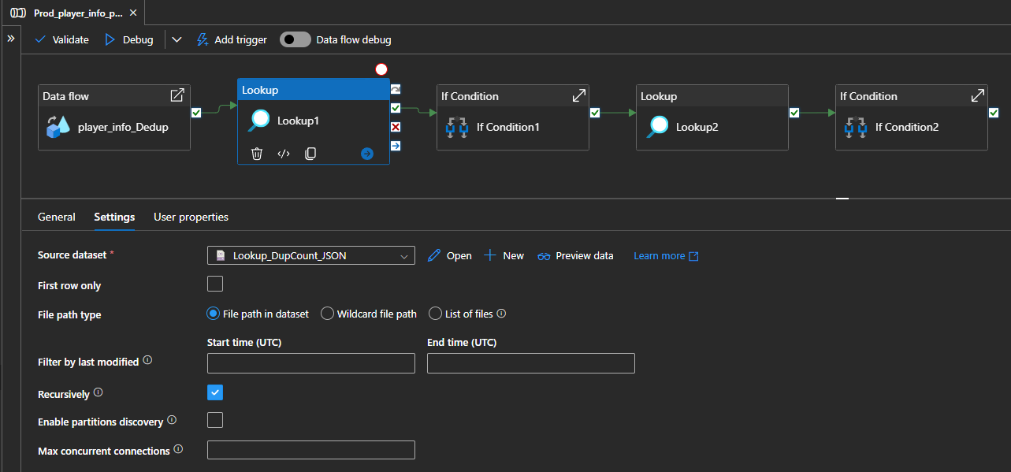
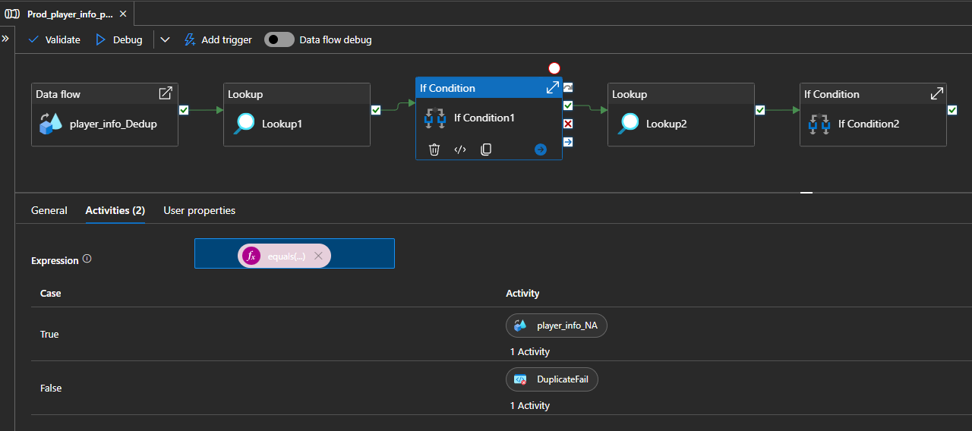
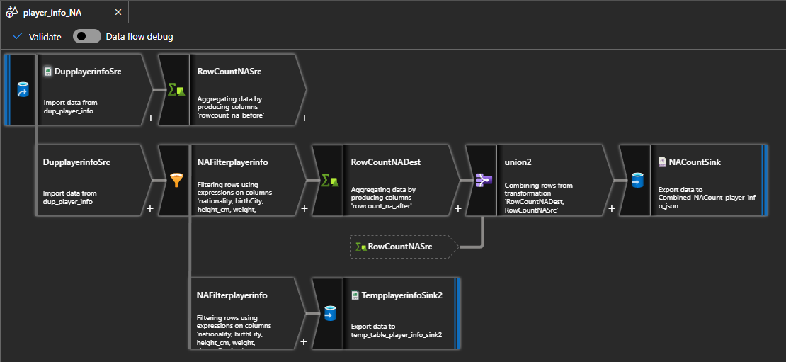
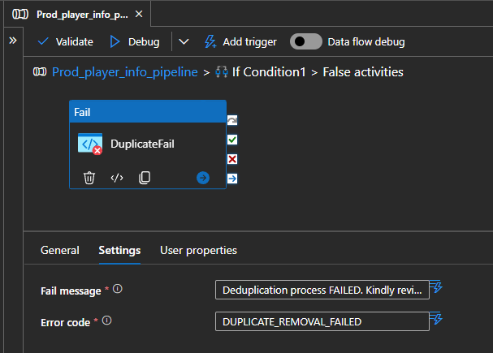
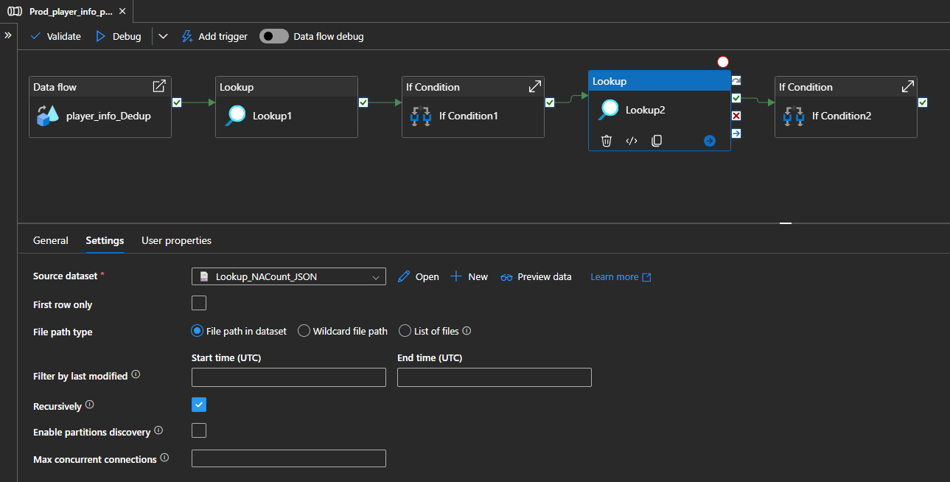
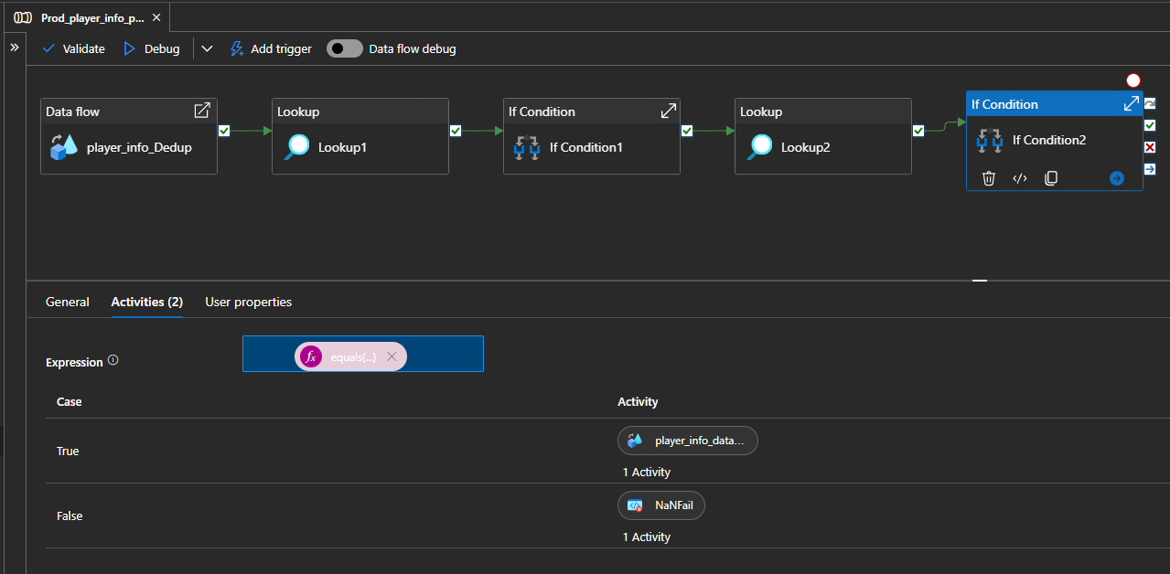
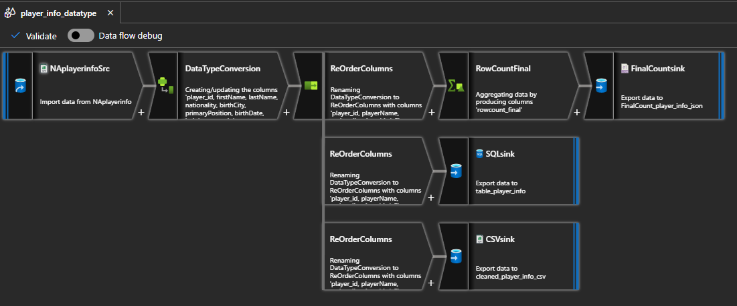
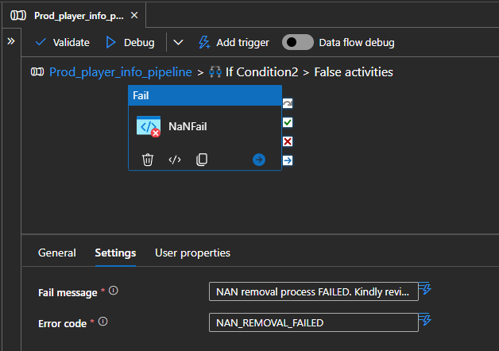
 |  |  |  | File path
DataFlow | Activity Name | Activity Type | Dataset | File | Directory | File name | Remarks
player_info_Dedup | playerinfoSrc | Copy Source | csv_player_info | raw |  | player_info.csv
player_info_Dedup | TempplayerinfoSink | Sink | temp_table_player_info_sink | processed | dataset_player_info/DUP_cleaned | dedup_player_info.csv | Output to single file; Partition option: Single Partition
player_info_Dedup | DupCountsink | Sink | Combined_DupCount_player_info_json | processed | dataset_player_info/RowCount | DupCount_JSON.json | Output to single file; Partition option: Single Partition
player_info_NA | DupplayerinfoSrc | Copy Source | dup_player_info | processed | dataset_player_info/DUP_cleaned | dedup_player_info.csv | Output to single file; Partition option: Single Partition
player_info_NA | TempplayerinfoSink2 | Sink | temp_table_player_info_sink2 | processed | dataset_player_info/NA_cleaned | na_player_info.csv | Output to single file; Partition option: Single Partition
player_info_NA | NACountSink | Sink | Combined_NACount_player_info_json | processed | dataset_player_info/RowCount/NA Count | NACount_JSON.json | Output to single file; Partition option: Single Partition
player_info_datatype | NAplayerinfoSrc | Copy Source | Naplayerinfo | processed | dataset_player_info/NA_cleaned | na_player_info.csv | Output to single file; Partition option: Single Partition
player_info_datatype | FinalCountsink | Sink | FinalCount_player_info_json | cleaned | dataset_player_info/RowCountFinal | FinalCount_JSON.json | Output to single file; Partition option: Single Partition
player_info_datatype | CSVsink | Sink | cleaned_player_info_csv | cleaned | dataset_player_info | cleaned_player_info.csv | Output to single file; Partition option: Single Partition
player_info_datatype | SQLsink | Sink | table_player_info |  |  |  | Table : dbo.player_info

 |  |  | Group by |  |  | Aggregate
 |  | Activity Type | Column |  | Name as | Column | Expression
player_info_Dedup | RowCountSrc | Aggregate |  |  |  | rowcount_original | count()
player_info_Dedup | RowCountDup | Aggregate |  |  |  | rowcount_deduplicate | count(1)
player_info_Dedup | Deduplicate | Aggregate | player_id,firstName,lastName,nationality,birthCity,primaryPosition,birthDate,height_cm,weight |  | As per Column | shootsCatches | first(shootsCatches)
player_info_NA | RowCountNASrc | Aggregate |  |  |  | rowcount_na_before | count()
player_info_NA | RowCountNADest | Aggregate |  |  |  | rowcount_na_after | count(1)
player_info_datatype | RowCountFinal | Aggregate |  |  |  | rowcount_final | count()

 |  |  | Union with
player_info_Dedup | Union1 | Union | RowCountSrc
player_info_NA | Union2 | Union | RowCountNASrc

 |  |  | Filter on
NAFilterplayerinfo | NAFilterplayerinfo | filter | !isNull(nationality) && nationality != '' && nationality != 'NA' && !isNull(birthCity) && birthCity != '' && birthCity != 'NA' && !isNull(height_cm) && height_cm != '' && height_cm != 'NA' && !isNull(weight) && weight != '' && weight != 'NA' && !isNull(shootsCatches) && shootsCatches != '' && shootsCatches != 'NA'

 |  |  | Column | Expression
player_info_datatype | DataTypeConversionplayerinfo | Derived Column | player_id | toInteger(player_id)
 |  |  | playerName | concat(firstName, ' ', lastName)
 |  |  | Age | year(currentUTC()) - year(toTimestamp(toDate(birthDate, 'yyyy-MM-dd')))
 |  |  | height_cm | toFloat(height_cm)
 |  |  | weight_kg | toFloat(weight) * 0.453592

 |  |  | Column | Name as
player_info_datatype | Reorderplayerinfo | Select | player_id | player_id
 |  |  | playerName | playerName
 |  |  | nationality | nationality
 |  |  | Age | Age
 |  |  | birthCity | birthCity
 |  |  | primaryPosition | primaryPosition
 |  |  | height_cm | height_cm
 |  |  | weight_kg | weight_kg
 |  |  | shootsCatches | shootsCatches

 |  |  |  | File path
 |  |  | Dataset | File | Directory | File name | File path type
Actual_player_info_pipeline | Lookup1 | Lookup | Lookup_DupCount_JSON | processed | dataset_player_info/RowCount | DupCount_JSON.json | File path in dataset
Actual_player_info_pipeline | Lookup2 | Lookup | Lookup_DupCount_JSON | processed | dataset_player_info/RowCount/NA Count | NACount_JSON.json | File path in dataset

 |  |  | Expression | Case | Activity
Actual_player_info_pipeline | if Condition1 | if Condition | @equals(sub(activity('Lookup1').output.value[1].rowcount_original, activity('Lookup1').output.value[0].rowcount_deduplicate), 0) | TRUE | player_info_NA
 |  |  |  | FALSE | DuplicateFail
Actual_player_info_pipeline | if Condition2 | if Condition | @equals(sub(activity('Lookup2').output.value[1].rowcount_na_before, activity('Lookup2').output.value[0].rowcount_na_after), 24) | TRUE | player_info_datatype
 |  |  |  | FALSE | NAFail

 |  |  | Fail message | Error code
Actual_player_info_pipeline | DuplicateFail | Fail | Deduplication process FAILED. Kindly review the pipeline inputs. | DUPLICATE_REMOVAL_FAILED
Actual_player_info_pipeline | NaNFail | Fail | NAN removal process FAILED. Kindly review the pipeline inputs. | NAN_REMOVAL_FAILED

game
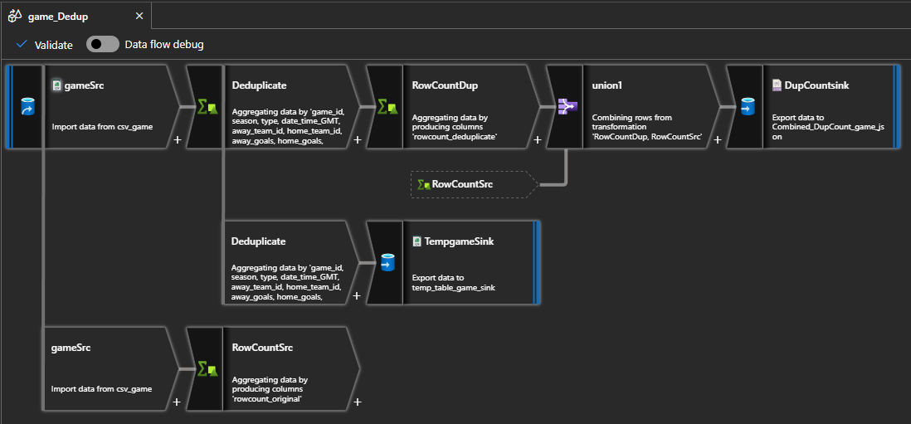
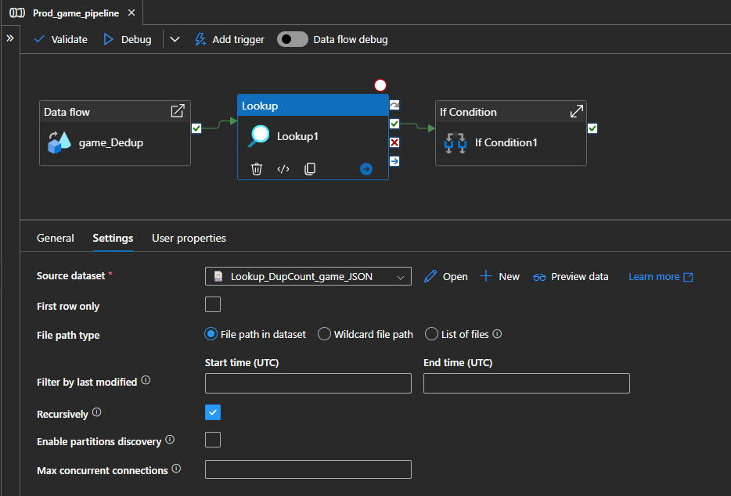
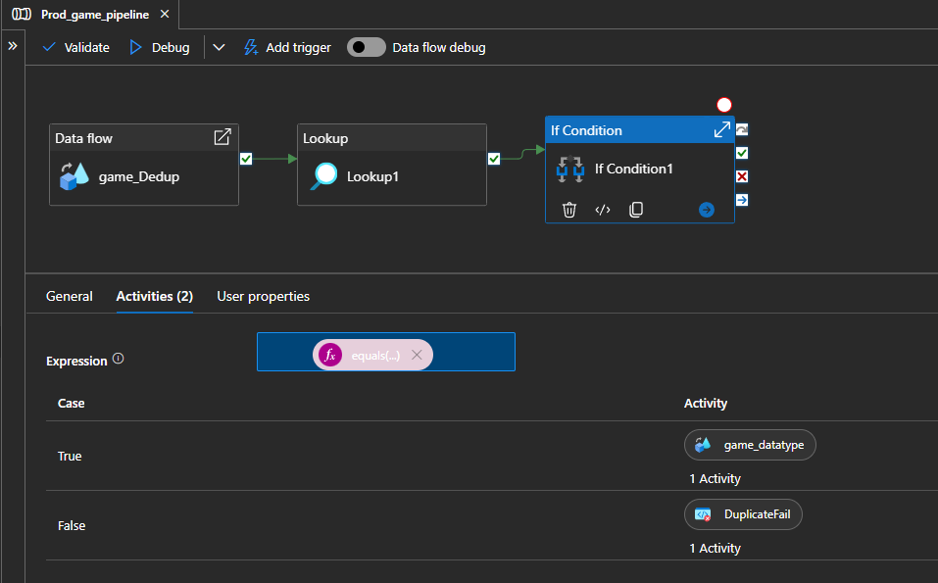
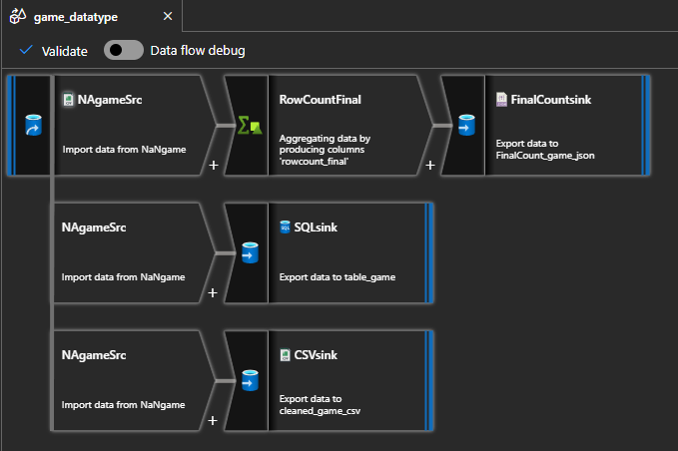
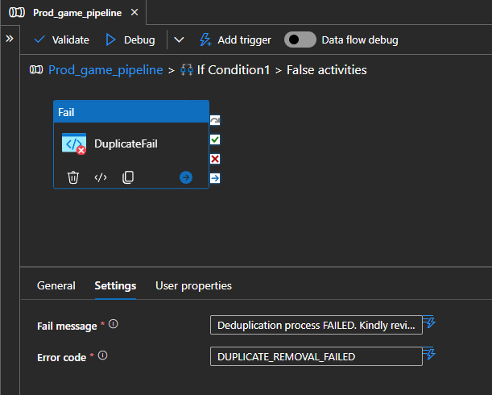
 |  |  |  | File path
DataFlow | Activity Name | Activity Type | Dataset | File | Directory | File name | Remarks
game_Dedup | gameSrc | Copy Source | csv_game | raw |  | game.csv
game_Dedup | TempgameSink | Sink | temp_table_game_sink | processed | dataset_game/DUP_cleaned | dedup_game.csv | Output to single file; Partition option: Single Partition
game_Dedup | DupCountsink | Sink | Combined_DupCount_game_json | processed | dataset_game/RowCount | DupCount_JSON.json | Output to single file; Partition option: Single Partition
game_datatype | NAgameSrc | Copy Source | NaAgame | processed | dataset_game/DUP_cleaned | dedup_game.csv | Output to single file; Partition option: Single Partition
game_datatype | FinalCountsink | Sink | FinalCount_game_json | cleaned | dataset_game/RowCountFinal | FinalCount_JSON.json | Output to single file; Partition option: Single Partition
game_datatype | CSVsink | Sink | cleaned_game_csv | cleaned | dataset_game | cleaned_game.csv | Output to single file; Partition option: Single Partition
game_datatype | SQLsink | Sink | table_game |  |  |  | Table : dbo.game

 |  |  | Group by |  |  | Aggregate
 |  | Activity Type | Column |  | Name as | Column | Expression
game_Dedup | RowCountSrc | Aggregate |  |  |  | rowcount_original | count()
game_Dedup | RowCountDup | Aggregate |  |  |  | rowcount_deduplicate | count(1)
game_Dedup | Deduplicate | Aggregate | game_id,season,type,date_time_GMT,away_team_id,home_team_id,away_goals,home_goals,outcome,home_rink_side_start |  | As per Column | venue | first(venue)
game_datatype | RowCountFinal | Aggregate |  |  |  | rowcount_final | count()

 |  |  | Union with
game_Dedup | Union1 | Union | RowCountSrc

 |  |  |  | File path
 |  |  |  | File | Directory | File name | Remarks
Actual_game_pipeline | Lookup1 | Lookup | Lookup_DupCount_game_JSON | processed | dataset_game/RowCount | DupCount_JSON.json | *Uncheck first rows only. File path in dataset

 |  |  | Expression | Case | Activity
Actual_game_pipeline | if Condition1 | if Condition | @equals(sub(activity('Lookup1').output.value[1].rowcount_original, activity('Lookup1').output.value[0].rowcount_deduplicate),2570) | TRUE | game_datatype
 |  |  |  | FALSE | DuplicateFail

 |  |  | Fail message | Error code
Actual_game_pipeline | DuplicateFail | Fail | Deduplication process FAILED. Kindly review the pipeline inputs. | DUPLICATE_REMOVAL_FAILED

